LDBOND
LIC MF BOND FUND |  |  |  |  |  |  | Index

Monthly Portfolio Statement as on April 30,2022
Name of the Instrument | ISIN | Industry / Rating | Quantity | Market/Fair Value (Rounded, Rs. In Lacs) | Rounded, % to Net Assets | Yield

Debt Instruments
(a)Listed / Awaiting listing on stock Exchanges
7.37% State Government of Maharashtra | IN2220160062 | SOVEREIGN | 2,500,000.000 | 2,567.44 | 24.77% | 6.90%
6.54% Government of India | IN0020210244 | SOVEREIGN | 2,300,000.000 | 2,248.31 | 21.69% | 7.14%
7.16% Government of India | IN0020130012 | SOVEREIGN | 1,000,000.000 | 1,053.11 | 10.16% | 5.07%
6.59% Indian Railway Finance Corporation Ltd. ** | INE053F07BZ2 | CRISIL AAA | 50.000 | 524.20 | 5.06% | 5.20%
5.63% Government of India | IN0020210012 | SOVEREIGN | 494,500.000 | 481.28 | 4.64% | 6.49%
7.32% Government of India | IN0020180488 | SOVEREIGN | 100,000.000 | 104.57 | 1.01% | 5.49%
7.98% State Government of Gujarat | IN1520160038 | SOVEREIGN | 53,800.000 | 57.88 | 0.56% | 6.88%
Sub Total |  |  |  | 7,036.79 | 67.89%

(b)Privately Placed/Unlisted
Sub Total |  |  |  | NIL | NIL

(c)Securitised Debt Instruments
Sub Total |  |  |  | NIL | NIL

TOTAL |  |  |  | 7,036.79 | 67.90%

Money Market Instruments

Treasury Bill
91 DAYS TBILL RED 05-05-2022 | IN002021X512 | SOVEREIGN | 1,200,000.000 | 1,199.52 | 11.57% | 3.65%
91 DAYS TBILL RED 02-06-2022 | IN002021X553 | SOVEREIGN | 1,000,000.000 | 996.77 | 9.62% | 3.70%
Sub Total |  |  |  | 2,196.29 | 21.19%

TOTAL |  |  |  | 2,196.29 | 21.19%

Treps / Reverse Repo
Treps |  |  |  | 1,745.63 | 16.84%
Sub Total |  |  |  | 1,745.63 | 16.84%

TOTAL |  |  |  | 1,745.63 | 16.84%
Net Receivables / (Payables) |  |  |  | (615.19) | (5.93%)
GRAND TOTAL |  |  |  | 10,363.52 | 100.00%

** Non Traded Security

The product is suitable for investors who are seeking* | Riskometer - Scheme | First Tier Benchmark | Riskometer - First Tier Benchmark
LIC MF Bond Fund | 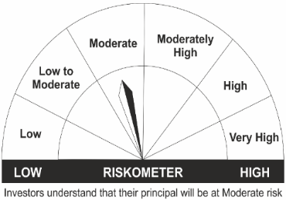 |  | 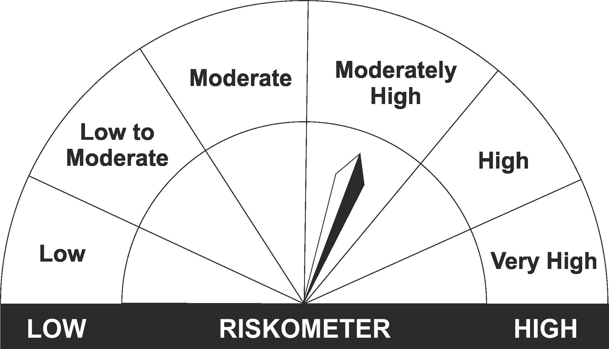
•Income Over Medium to long term |  | CRISIL Medium to Long Duration Fund BIII Index
•To generate income/capital appreciation through investments in Debt / Money Market Instruments
•Risk – Moderate |  | •Risk - Moderately High

*Investors should consult their financial advisers if in doubt about whether the product is suitable for them.
Mutual Fund investments are subject to market risks, read all scheme related documents carefully.

 | Potential Risk Class
LIC MF Bond Fund | Credit Risk | Relatively Low (Class A) | Moderate (Class B) | Relatively High (Class C)
 | Interest Rate Risk
 | Relatively Low (Class I)
 | Moderate (Class II)
 | Relatively High (Class III) |  | B-III

LDGETF
LIC MF G-SEC LONG TERM ETF |  |  |  |  |  |  | Index

Monthly Portfolio Statement as on April 30,2022
Name of the Instrument | ISIN | Industry / Rating | Quantity | Market/Fair Value (Rounded, Rs. In Lacs) | Rounded, % to Net Assets | Yield

Debt Instruments
(a)Listed / Awaiting listing on stock Exchanges
6.1% Government of India | IN0020210095 | SOVEREIGN | 36,573,100.000 | 34,632.18 | 38.23% | 7.17%
6.54% Government of India | IN0020210244 | SOVEREIGN | 21,424,900.000 | 20,941.71 | 23.12% | 7.14%
6.68% Government of India | IN0020170042 | SOVEREIGN | 12,500,000.000 | 12,155.73 | 13.42% | 7.21%
7.5% Government of India | IN0020040039 | SOVEREIGN | 10,785,000.000 | 11,128.79 | 12.28% | 7.31%
7.73% Government of India | IN0020150051 | SOVEREIGN | 7,000,000.000 | 7,441.83 | 8.21% | 7.30%
Sub Total |  |  |  | 86,300.24 | 95.26%

(b)Privately Placed/Unlisted
Sub Total |  |  |  | NIL | NIL

(c)Securitised Debt Instruments
Sub Total |  |  |  | NIL | NIL

TOTAL |  |  |  | 86,300.24 | 95.26%

Treps / Reverse Repo
Treps |  |  |  | 4,311.54 | 4.76%
Sub Total |  |  |  | 4,311.54 | 4.76%

TOTAL |  |  |  | 4,311.54 | 4.76%
Net Receivables / (Payables) |  |  |  | (13.88) | (0.02%)
GRAND TOTAL |  |  |  | 90,597.90 | 100.00%

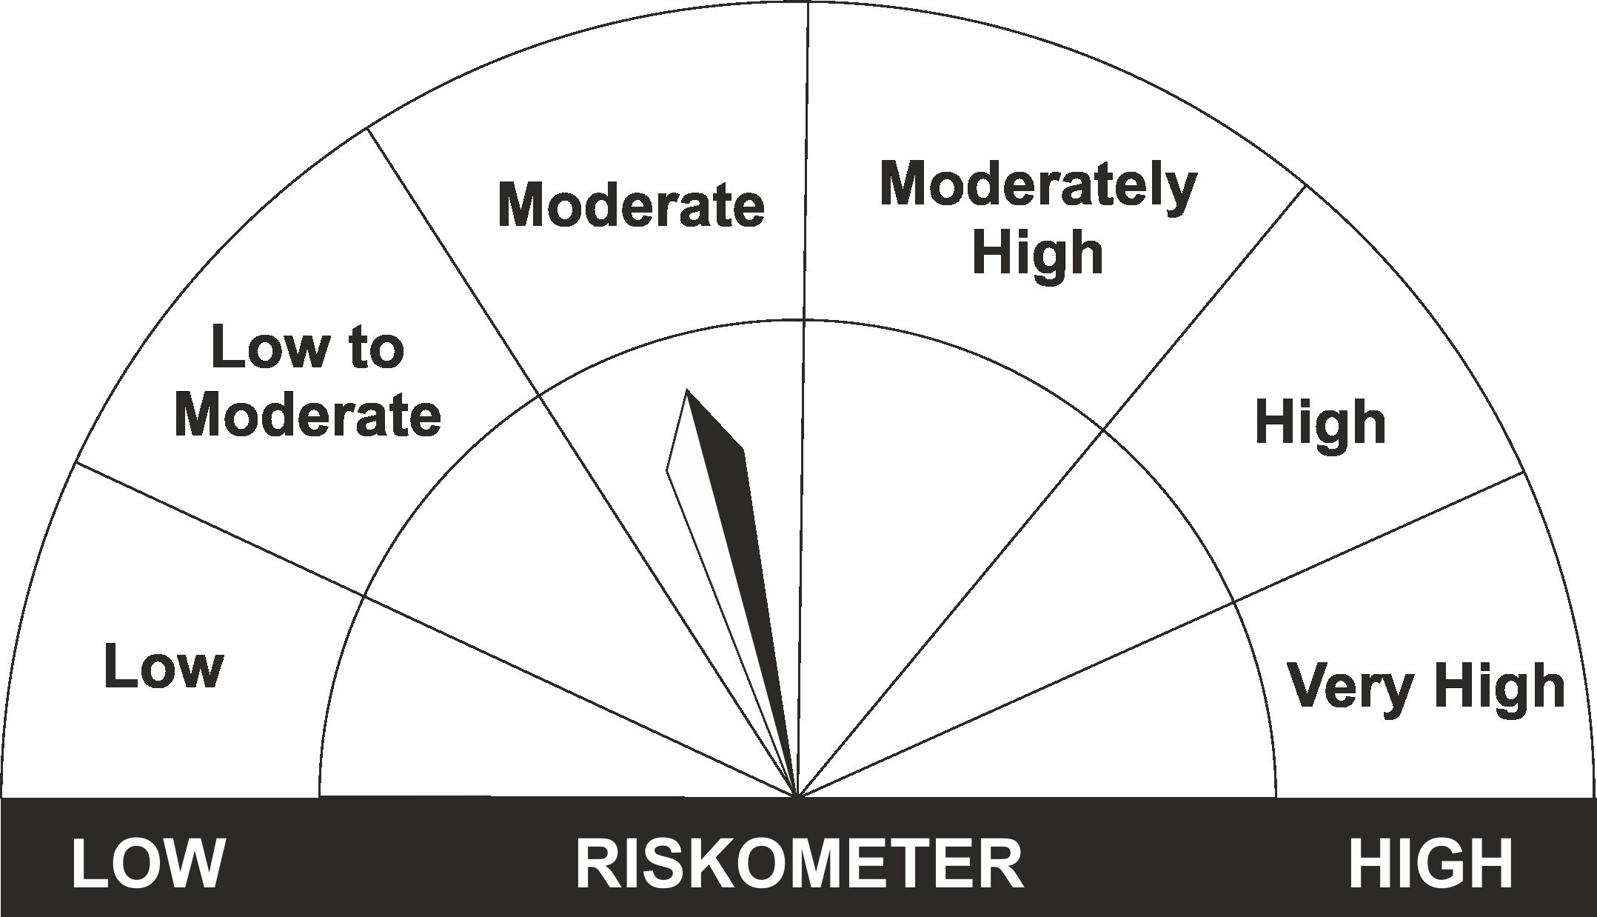
The product is suitable for investors who are seeking* | Riskometer - Scheme | First Tier Benchmark | Riskometer - First Tier Benchmark
LIC MF G-Sec Long Term Exchange Traded Fund | 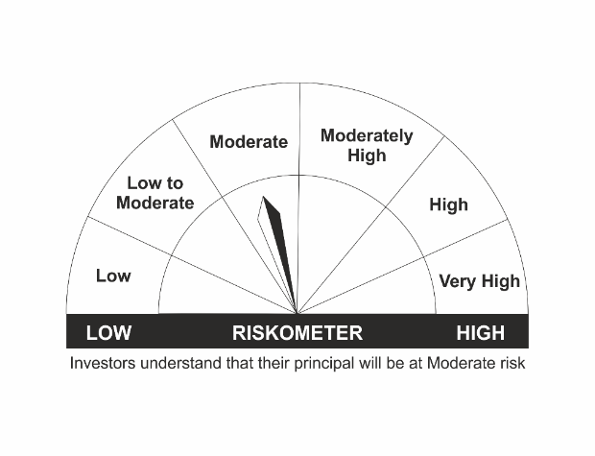
•Medium to long term Income. |  | Nifty 8-13 yr G-Sec
•Investment in securities in line with Nifty 8- 13 Yr G-Sec Index to generate comparable returns subject to tracking error.
•Risk - Moderate |  | •Risk - Moderate

*Investors should consult their financial advisers if in doubt about whether the product is suitable for them.
Mutual Fund investments are subject to market risks, read all scheme related documents carefully.

 | Potential Risk Class
LIC MF G-Sec Long Term ETF | Credit Risk | Relatively Low (Class A) | Moderate (Class B) | Relatively High (Class C)
 | Interest Rate Risk
 | Relatively Low (Class I)
 | Moderate (Class II)
 | Relatively High (Class III) | A-III

LDGSEC
LIC MF GOVT. SECURITIES FUND |  |  |  |  |  |  | Index

Monthly Portfolio Statement as on April 30,2022
Name of the Instrument | ISIN | Industry / Rating | Quantity | Market/Fair Value (Rounded, Rs. In Lacs) | Rounded, % to Net Assets | Yield

Debt Instruments
(a)Listed / Awaiting listing on stock Exchanges
6.54% Government of India | IN0020210244 | SOVEREIGN | 1,200,000.000 | 1,173.12 | 21.05% | 7.14%
7.37% State Government of Maharashtra | IN2220160062 | SOVEREIGN | 500,000.000 | 513.49 | 9.21% | 6.90%
Sub Total |  |  |  | 1,686.61 | 30.26%

(b)Privately Placed/Unlisted
Sub Total |  |  |  | NIL | NIL

(c)Securitised Debt Instruments
Sub Total |  |  |  | NIL | NIL

TOTAL |  |  |  | 1,686.61 | 30.26%

Money Market Instruments

Treasury Bill
91 DAYS TBILL RED 05-05-2022 | IN002021X512 | SOVEREIGN | 1,800,000.000 | 1,799.28 | 32.28% | 3.65%
91 DAYS TBILL RED 16-06-2022 | IN002021X579 | SOVEREIGN | 1,000,000.000 | 995.26 | 17.85% | 3.78%
91 DAYS TBILL RED 02-06-2022 | IN002021X553 | SOVEREIGN | 500,000.000 | 498.38 | 8.94% | 3.70%
Sub Total |  |  |  | 3,292.92 | 59.07%

TOTAL |  |  |  | 3,292.92 | 59.07%

Treps / Reverse Repo
Treps |  |  |  | 826.82 | 14.83%
Sub Total |  |  |  | 826.82 | 14.83%

TOTAL |  |  |  | 826.82 | 14.83%
Net Receivables / (Payables) |  |  |  | (232.18) | (4.16%)
GRAND TOTAL |  |  |  | 5,574.17 | 100.00%

The product is suitable for investors who are seeking* | Riskometer - Scheme | First Tier Benchmark | Riskometer - First Tier Benchmark
LIC MF Govt. Securities Fund | 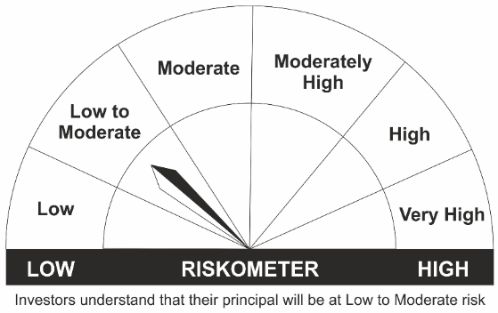
•Long term Capital Appreciation and current income |  | Nifty All Duration G-Sec Index
•Investment in sovereign securities issued by Central/ State Government
•Risk – Low to Moderate |  | •Risk - Moderate

*Investors should consult their financial advisers if in doubt about whether the product is suitable for them.
Mutual Fund investments are subject to market risks, read all scheme related documents carefully.

 | Potential Risk Class
LIC MF Govt. Securities Fund | Credit Risk | Relatively Low (Class A) | Moderate (Class B) | Relatively High (Class C)
 | Interest Rate Risk
 | Relatively Low (Class I)
 | Moderate (Class II)
 | Relatively High (Class III) | A-III

LDINPF
LIC MF BANKING & PSU DEBT FUND |  |  |  |  |  |  | Index

Monthly Portfolio Statement as on April 30,2022
Name of the Instrument | ISIN | Industry / Rating | Quantity | Market/Fair Value (Rounded, Rs. In Lacs) | Rounded, % to Net Assets | Yield

Debt Instruments
(a)Listed / Awaiting listing on stock Exchanges
7.32% Government of India | IN0020180488 | SOVEREIGN | 10,000,000.000 | 10,487.33 | 7.95% | 5.49%
7.16% Government of India | IN0020130012 | SOVEREIGN | 7,500,000.000 | 7,898.29 | 5.99% | 5.07%
6.19% Indian Railway Finance Corporation Ltd. ** | INE053F07CC9 | CRISIL AAA | 750.000 | 7,588.47 | 5.75% | 5.23%
5.8% National Housing Bank ** | INE557F08FJ5 | CRISIL AAA | 500.000 | 5,308.54 | 4.03% | 5.23%
6.99% Housing & Urban Development Corp Ltd. ** | INE031A08756 | FITCH AAA | 500.000 | 5,218.04 | 3.96% | 4.74%
6.8% Hindustan Petroleum Corporation Ltd. ** | INE094A08044 | CRISIL AAA | 500.000 | 5,188.49 | 3.93% | 4.67%
4.5% Oil & Natural Gas Corporation Ltd. ** | INE213A08040 | ICRA AAA | 500.000 | 4,969.73 | 3.77% | 5.68%
6.59% Indian Railway Finance Corporation Ltd. ** | INE053F07BZ2 | CRISIL AAA | 450.000 | 4,717.76 | 3.58% | 5.20%
5.32% National Housing Bank ** | INE557F08FK3 | CRISIL AAA | 450.000 | 4,711.71 | 3.57% | 5.46%
6.55% NTPC Ltd. ** | INE733E08148 | CRISIL AAA | 400.000 | 4,061.20 | 3.08% | 5.16%
7.93% NTPC Ltd. ** | INE733E07KK5 | CRISIL AAA | 350.000 | 3,776.38 | 2.86% | 4.00%
6.4% National Bk for Agriculture & Rural Dev. ** | INE261F08CA0 | ICRA AAA | 350.000 | 3,705.96 | 2.81% | 5.46%
7.34% Power Grid Corporation of India Ltd. ** | INE752E08569 | CRISIL AAA | 250.000 | 2,716.62 | 2.06% | 5.92%
6.75% Power Finance Corporation Ltd. ** | INE134E08KS7 | CRISIL AAA | 250.000 | 2,694.39 | 2.04% | 5.33%
9.25% Power Grid Corporation of India Ltd. ** | INE752E07JI1 | CRISIL AAA | 200.000 | 2,648.95 | 2.01% | 4.75%
6.09% Housing & Urban Development Corp Ltd. ** | INE031A08780 | ICRA AAA | 250.000 | 2,648.72 | 2.01% | 5.37%
7.34% Housing & Urban Development Corp Ltd. ** | INE031A08731 | CARE AAA | 250.000 | 2,639.79 | 2.00% | 4.38%
8.5% National Bk for Agriculture & Rural Dev. ** | INE261F08AT4 | CRISIL AAA | 250.000 | 2,612.32 | 1.98% | 5.09%
8.45% Power Finance Corporation Ltd. ** | INE134E08JU5 | CRISIL AAA | 250.000 | 2,557.43 | 1.94% | 4.36%
4.64% Oil & Natural Gas Corporation Ltd. ** | INE213A08032 | ICRA AAA | 250.000 | 2,526.82 | 1.92% | 5.57%
7.37% State Government of Maharashtra | IN2220160062 | SOVEREIGN | 2,000,000.000 | 2,053.95 | 1.56% | 6.90%
8.8% Power Grid Corporation of India Ltd. ** | INE752E07KN9 | CRISIL AAA | 150.000 | 1,563.18 | 1.19% | 5.09%
6.44% Indian Oil Corporation Ltd. ** | INE242A08445 | CRISIL AAA | 150.000 | 1,545.54 | 1.17% | 5.17%
8.94% Export Import Bank of India ** | INE514E08CB3 | CRISIL AAA | 100.000 | 1,055.84 | 0.80% | 4.76%
8.88% Export Import Bank of India ** | INE514E08BS9 | CRISIL AAA | 50.000 | 532.81 | 0.40% | 4.67%
5.63% Government of India | IN0020210012 | SOVEREIGN | 55,500.000 | 54.02 | 0.04% | 6.49%
Sub Total |  |  |  | 95,482.28 | 72.40%

(b)Privately Placed/Unlisted
Sub Total |  |  |  | NIL | NIL

(c)Securitised Debt Instruments
Sub Total |  |  |  | NIL | NIL

TOTAL |  |  |  | 95,482.28 | 72.41%

Money Market Instruments

Certificate of Deposit
Axis Bank Ltd. ** # | INE238A161Y6 | CRISIL A1+ | 1,500.000 | 7,459.12 | 5.66% | 4.00%
HDFC Bank Ltd. ** # | INE040A16CM7 | CARE A1+ | 1,000.000 | 4,972.25 | 3.77% | 4.00%
HDFC Bank Ltd. ** # | INE040A16CV8 | CARE A1+ | 1,000.000 | 4,810.32 | 3.65% | 5.05%
HDFC Bank Ltd. ** # | INE040A16CQ8 | CARE A1+ | 500.000 | 2,493.76 | 1.89% | 3.97%
Kotak Mahindra Bank Ltd. ** # | INE237A167M9 | CRISIL A1+ | 2,500.000 | 2,491.03 | 1.89% | 3.98%
Sub Total |  |  |  | 22,226.48 | 16.85%

Commercial Paper
Bharat Petroleum Corporation Ltd. ** | INE029A14BN5 | CRISIL A1+ | 1,000.000 | 4,991.14 | 3.78% | 4.05%
Sub Total |  |  |  | 4,991.14 | 3.78%

Treasury Bill
91 DAYS TBILL RED 02-06-2022 | IN002021X553 | SOVEREIGN | 2,500,000.000 | 2,491.92 | 1.89% | 3.70%
91 DAYS TBILL RED 05-05-2022 | IN002021X512 | SOVEREIGN | 1,500,000.000 | 1,499.40 | 1.14% | 3.65%
Sub Total |  |  |  | 3,991.32 | 3.03%

TOTAL |  |  |  | 31,208.94 | 23.66%

Treps / Reverse Repo
Treps |  |  |  | 5,203.69 | 3.95%
Sub Total |  |  |  | 5,203.69 | 3.95%

TOTAL |  |  |  | 5,203.69 | 3.95%
Net Receivables / (Payables) |  |  |  | (26.64) | (0.02%)
GRAND TOTAL |  |  |  | 131,868.27 | 100.00%

# Unlisted Security
** Non Traded Security

The product is suitable for investors who are seeking* | Riskometer - Scheme | First Tier Benchmark | Riskometer - First Tier Benchmark
LIC MF Banking & PSU Debt Fund | 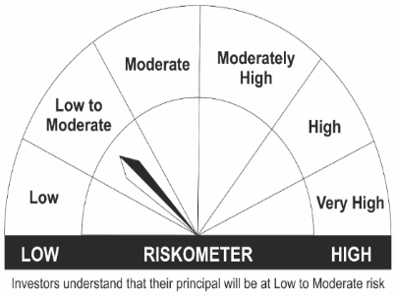
•Income for medium term capital appreciation with current income. |  | NIFTY Banking & PSU Debt Index
•An income fund that invests predominantly in debt and money market instruments issued by Banks, Public Sector Undertakings, Public Financial Institutions and Municipal Bonds
•Risk – Low to Moderate |  | •Risk - Moderate

*Investors should consult their financial advisers if in doubt about whether the product is suitable for them.
Mutual Fund investments are subject to market risks, read all scheme related documents carefully.

 | Potential Risk Class
LIC MF Banking & PSU Debt Fund | Credit Risk | Relatively Low (Class A) | Moderate (Class B) | Relatively High (Class C)
 | Interest Rate Risk
 | Relatively Low (Class I)
 | Moderate (Class II)
 | Relatively High (Class III) | A-III

LDONTF
LIC MF OVERNIGHT FUND |  |  |  |  |  |  | Index

Monthly Portfolio Statement as on April 30,2022
Name of the Instrument | ISIN | Industry / Rating | Quantity | Market/Fair Value (Rounded, Rs. In Lacs) | Rounded, % to Net Assets | Yield

Money Market Instruments

Certificate of Deposit
Indian Bank ** # | INE562A16KC4 | FITCH A1+ | 500.000 | 2,499.73 | 10.49% | 4.02%
Axis Bank Ltd. ** # | INE238A160Y8 | CRISIL A1+ | 500.000 | 2,499.73 | 10.49% | 4.02%
Sub Total |  |  |  | 4,999.46 | 20.97%

Commercial Paper
Chennai Petroleum Corporation Ltd. ** | INE178A14HI7 | ICRA A1+ | 500.000 | 2,499.72 | 10.49% | 4.09%
Sub Total |  |  |  | 2,499.72 | 10.49%

Treasury Bill
91 DAYS TBILL RED 19-05-2022 | IN002021X538 | SOVEREIGN | 500,000.000 | 499.10 | 2.09% | 3.66%
Sub Total |  |  |  | 499.10 | 2.09%

TOTAL |  |  |  | 7,998.28 | 33.55%

Treps / Reverse Repo
Treps |  |  |  | 15,760.24 | 66.12%
Sub Total |  |  |  | 15,760.24 | 66.12%

TOTAL |  |  |  | 15,760.24 | 66.12%
Net Receivables / (Payables) |  |  |  | 78.68 | 0.33%
GRAND TOTAL |  |  |  | 23,837.20 | 100.00%

# Unlisted Security
** Non Traded Security

The product is suitable for investors who are seeking* | Riskometer - Scheme | First Tier Benchmark | Riskometer - First Tier Benchmark
LIC MF Overnight Fund |  |  | 
•Income with high levels of safety and liquidity over short term. |  | NIFTY 1D Rate Index
•Investment in debt and money market instruments with overnight maturity.
•Risk – Low to Moderate |  | •Risk – Low

*Investors should consult their financial advisers if in doubt about whether the product is suitable for them.
Mutual Fund investments are subject to market risks, read all scheme related documents carefully.

 | Potential Risk Class
LIC MF Overnight Fund | Credit Risk | Relatively Low (Class A) | Moderate (Class B) | Relatively High (Class C)
 | Interest Rate Risk
 | Relatively Low (Class I) | A-I
 | Moderate (Class II)
 | Relatively High (Class III)

LDSAPF
LIC MF SAVINGS FUND |  |  |  |  |  |  | Index

Monthly Portfolio Statement as on April 30,2022
Name of the Instrument | ISIN | Industry / Rating | Quantity | Market/Fair Value (Rounded, Rs. In Lacs) | Rounded, % to Net Assets | Yield

Debt Instruments
(a)Listed / Awaiting listing on stock Exchanges
8.15% Government of India | IN0020120013 | SOVEREIGN | 7,500,000.000 | 7,771.60 | 6.06% | 3.90%
5.05% Indian Oil Corporation Ltd. ** | INE242A08460 | CRISIL AAA | 500.000 | 5,244.43 | 4.09% | 4.73%
4.64% Oil & Natural Gas Corporation Ltd. ** | INE213A08032 | ICRA AAA | 500.000 | 5,053.63 | 3.94% | 5.57%
7.7% National Bk for Agriculture & Rural Dev. ** | INE261F08BL9 | CRISIL AAA | 250.000 | 2,680.29 | 2.09% | 4.03%
7.0% Housing Development Finance Corp Ltd. ** | INE001A07SM4 | CRISIL AAA | 250.000 | 2,669.51 | 2.08% | 4.17%
5.8% National Housing Bank ** | INE557F08FJ5 | CRISIL AAA | 250.000 | 2,654.27 | 2.07% | 5.23%
7.03% REC Ltd. ** | INE020B08AK2 | CRISIL AAA | 250.000 | 2,634.27 | 2.06% | 4.46%
8.45% L & T Finance Ltd. ** | INE027E07AS6 | CRISIL AAA | 250,000.000 | 2,623.39 | 2.05% | 5.18%
5.7% Bajaj Finance Ltd. ** | INE296A07RG4 | CRISIL AAA | 250.000 | 2,594.28 | 2.02% | 5.85%
5.69% REC Ltd. ** | INE020B08DC3 | CRISIL AAA | 250.000 | 2,586.05 | 2.02% | 5.57%
7.59% State Government of Karnataka | IN1920160125 | SOVEREIGN | 2,500,000.000 | 2,580.36 | 2.01% | 6.97%
4.283293% REC Ltd. ** | INE020B08DU5 | CRISIL AAA | 250.000 | 2,570.41 | 2.01% | 3.80%
5.84% Bajaj Housing Finance Ltd. ** | INE377Y07292 | CRISIL AAA | 250.000 | 2,512.16 | 1.96% | 6.20%
7.2834% HDB Financial Services Ltd. ** | INE756I07DD7 | CRISIL AAA | 150.000 | 1,599.78 | 1.25% | 5.90%
7.09% REC Ltd. ** | INE020B08CD3 | CRISIL AAA | 150.000 | 1,559.52 | 1.22% | 4.85%
Sub Total |  |  |  | 47,333.95 | 36.93%

(b)Privately Placed/Unlisted
Sub Total |  |  |  | NIL | NIL

(c)Securitised Debt Instruments
Sub Total |  |  |  | NIL | NIL

TOTAL |  |  |  | 47,333.95 | 36.93%

Money Market Instruments

Certificate of Deposit
Kotak Mahindra Bank Ltd. ** # | INE237A167M9 | CRISIL A1+ | 5,000.000 | 4,982.06 | 3.89% | 3.98%
HDFC Bank Ltd. ** # | INE040A16CO3 | CARE A1+ | 1,000.000 | 4,859.34 | 3.79% | 4.68%
Axis Bank Ltd. ** # | INE238A160Y8 | CRISIL A1+ | 500.000 | 2,499.73 | 1.95% | 4.02%
IDFC First Bank Ltd. ** # | INE092T16QV9 | ICRA A1+ | 500.000 | 2,489.62 | 1.94% | 4.12%
IDFC First Bank Ltd. ** # | INE092T16QU1 | ICRA A1+ | 500.000 | 2,488.78 | 1.94% | 4.12%
HDFC Bank Ltd. ** # | INE040A16CI5 | CARE A1+ | 500.000 | 2,468.59 | 1.93% | 4.30%
Axis Bank Ltd. ** # | INE238A166X7 | CRISIL A1+ | 500.000 | 2,430.81 | 1.90% | 4.68%
HDFC Bank Ltd. ** # | INE040A16CV8 | CARE A1+ | 500.000 | 2,405.16 | 1.88% | 5.05%
National Bk for Agriculture & Rural Dev. ** # | INE261F16652 | CRISIL A1+ | 500.000 | 2,403.24 | 1.88% | 5.05%
HDFC Bank Ltd. ** # | INE040A16CX4 | CARE A1+ | 500.000 | 2,397.31 | 1.87% | 5.06%
Sub Total |  |  |  | 29,424.64 | 22.96%

Commercial Paper
Birla Group Holdings Pvt Ltd. ** | INE09OL14AM6 | CRISIL A1+ | 1,500.000 | 7,416.08 | 5.79% | 4.69%
TV18 Broadcast Ltd. ** | INE886H14GM4 | ICRA A1+ | 1,000.000 | 4,973.75 | 3.88% | 4.10%
Reliance Industries Ltd. ** | INE002A14IN7 | CRISIL A1+ | 1,000.000 | 4,968.73 | 3.88% | 4.03%
HDFC Securities Ltd. ** | INE700G14BP3 | CRISIL A1+ | 1,000.000 | 4,950.02 | 3.86% | 4.49%
Reliance Jio Infocomm Ltd. ** | INE110L14QP3 | CRISIL A1+ | 1,000.000 | 4,915.32 | 3.83% | 4.46%
Export Import Bank of India ** | INE514E14QI6 | CARE A1+ | 1,000.000 | 4,911.00 | 3.83% | 4.41%
Chennai Petroleum Corporation Ltd. ** | INE178A14HI7 | ICRA A1+ | 500.000 | 2,499.72 | 1.95% | 4.09%
ICICI Securities Ltd. ** | INE763G14LW6 | CRISIL A1+ | 500.000 | 2,495.30 | 1.95% | 4.30%
Bajaj Housing Finance Ltd. ** | INE377Y14876 | CRISIL A1+ | 500.000 | 2,477.35 | 1.93% | 4.23%
Bajaj Housing Finance Ltd. ** | INE377Y14868 | CRISIL A1+ | 500.000 | 2,477.01 | 1.93% | 4.24%
Sub Total |  |  |  | 42,084.28 | 32.83%

Treasury Bill
364 DAYS TBILL RED 02-06-2022 | IN002021Z095 | SOVEREIGN | 2,500,000.000 | 2,491.92 | 1.94% | 3.70%
182 DAYS TBILL RED 20-10-2022 | IN002022Y039 | SOVEREIGN | 2,500,000.000 | 2,449.34 | 1.91% | 4.39%
Sub Total |  |  |  | 4,941.26 | 3.86%

TOTAL |  |  |  | 76,450.18 | 59.65%

Treps / Reverse Repo
Treps |  |  |  | 4,439.51 | 3.46%
Sub Total |  |  |  | 4,439.51 | 3.46%

TOTAL |  |  |  | 4,439.51 | 3.46%
Net Receivables / (Payables) |  |  |  | (53.51) | (0.04%)
GRAND TOTAL |  |  |  | 128,170.13 | 100.00%

# Unlisted Security
** Non Traded Security

The product is suitable for investors who are seeking* | Riskometer - Scheme | First Tier Benchmark | Riskometer - First Tier Benchmark
LIC MF Savings Fund | 
•Income for short term |  | CRISIL Low Duration Fund BI Index
•A fund that focuses on low duration securities.
•Risk – Low to Moderate |  | •Risk - Moderate

*Investors should consult their financial advisers if in doubt about whether the product is suitable for them.
Mutual Fund investments are subject to market risks, read all scheme related documents carefully.

 | Potential Risk Class
LIC MF Savings Fund | Credit Risk | Relatively Low (Class A) | Moderate (Class B) | Relatively High (Class C)
 | Interest Rate Risk
 | Relatively Low (Class I) |  | B-I
 | Moderate (Class II)
 | Relatively High (Class III)

“This scheme has exposure to floating rate instruments and / or interest rate derivatives. The duration of these instruments is linked to the interest rate reset period. The interest rate risk in a floating rate instrument or in a fixed rate instrument hedged with derivatives is likely to be lesser than that in an equivalent maturity fixed rate instrument. Under some market circumstances the volatility may be of an order greater than what may ordinarily be expected considering only its duration. Hence investors are recommended to consider the unadjusted portfolio maturity of the scheme as well and exercise adequate due diligence when deciding to make their investments”.

LDSTDF
LIC MF SHORT TERM DEBT FUND |  |  |  |  |  |  | Index

Monthly Portfolio Statement as on April 30,2022
Name of the Instrument | ISIN | Industry / Rating | Quantity | Market/Fair Value (Rounded, Rs. In Lacs) | Rounded, % to Net Assets | Yield

Debt Instruments
(a)Listed / Awaiting listing on stock Exchanges
7.35% Government of India | IN0020090034 | SOVEREIGN | 8,000,000.000 | 8,450.99 | 37.45% | 5.83%
5.22% Government of India | IN0020200112 | SOVEREIGN | 2,000,000.000 | 1,983.34 | 8.79% | 6.22%
7.32% Government of India | IN0020180488 | SOVEREIGN | 1,700,000.000 | 1,782.85 | 7.90% | 5.49%
6.4% National Bk for Agriculture & Rural Dev. ** | INE261F08CA0 | ICRA AAA | 150.000 | 1,588.27 | 7.04% | 5.46%
8.94% Export Import Bank of India ** | INE514E08CB3 | CRISIL AAA | 100.000 | 1,055.84 | 4.68% | 4.76%
8.8% Power Grid Corporation of India Ltd. ** | INE752E07KN9 | CRISIL AAA | 100.000 | 1,042.12 | 4.62% | 5.09%
6.55% NTPC Ltd. ** | INE733E08148 | CRISIL AAA | 100.000 | 1,015.30 | 4.50% | 5.16%
6.54% Government of India | IN0020210244 | SOVEREIGN | 1,000,000.000 | 977.45 | 4.33% | 7.14%
5.32% National Housing Bank ** | INE557F08FK3 | CRISIL AAA | 50.000 | 523.52 | 2.32% | 5.46%
Sub Total |  |  |  | 18,419.68 | 81.63%

(b)Privately Placed/Unlisted
Sub Total |  |  |  | NIL | NIL

(c)Securitised Debt Instruments
Sub Total |  |  |  | NIL | NIL

TOTAL |  |  |  | 18,419.68 | 81.63%

Money Market Instruments

Certificate of Deposit
Axis Bank Ltd. ** # | INE238A163X4 | CRISIL A1+ | 400.000 | 1,990.21 | 8.82% | 3.99%
Sub Total |  |  |  | 1,990.21 | 8.82%

Treasury Bill
182 DAYS TBILL RED 25-08-2022 | IN002021Y502 | SOVEREIGN | 1,500,000.000 | 1,480.38 | 6.56% | 4.17%
Sub Total |  |  |  | 1,480.38 | 6.56%

TOTAL |  |  |  | 3,470.59 | 15.38%

Treps / Reverse Repo
Treps |  |  |  | 814.24 | 3.61%
Sub Total |  |  |  | 814.24 | 3.61%

TOTAL |  |  |  | 814.24 | 3.61%
Net Receivables / (Payables) |  |  |  | (139.85) | (0.62%)
GRAND TOTAL |  |  |  | 22,564.66 | 100.00%

# Unlisted Security
** Non Traded Security

The product is suitable for investors who are seeking* | Riskometer - Scheme | First Tier Benchmark | Riskometer - First Tier Benchmark
LIC MF Short Term Debt Fund | 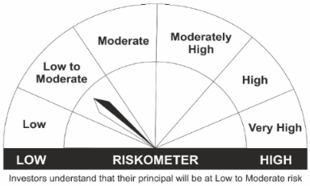
•Generation of reasonable returns over short to medium term. |  | CRISIL Short Duration Fund BII Index
•Investment in Debt securities and money market instruments.
•Risk – Low to Moderate |  | •Risk - Moderate

*Investors should consult their financial advisers if in doubt about whether the product is suitable for them.
Mutual Fund investments are subject to market risks, read all scheme related documents carefully.

 | Potential Risk Class
LIC MF Short Term Debt Fund | Credit Risk | Relatively Low (Class A) | Moderate (Class B) | Relatively High (Class C)
 | Interest Rate Risk
 | Relatively Low (Class I)
 | Moderate (Class II) |  | B-II
 | Relatively High (Class III)

LDUSTF
LIC MF ULTRA SHORT TERM FUND |  |  |  |  |  |  | Index

Monthly Portfolio Statement as on April 30,2022
Name of the Instrument | ISIN | Industry / Rating | Quantity | Market/Fair Value (Rounded, Rs. In Lacs) | Rounded, % to Net Assets | Yield

Money Market Instruments

Treasury Bill
182 DAYS TBILL RED 29-09-2022 | IN002021Y551 | SOVEREIGN | 2,500,000.000 | 2,457.10 | 39.00% | 4.22%
Sub Total |  |  |  | 2,457.10 | 39.00%

TOTAL |  |  |  | 2,457.10 | 39.00%

Treps / Reverse Repo
Treps |  |  |  | 3,918.56 | 62.20%
Sub Total |  |  |  | 3,918.56 | 62.20%

TOTAL |  |  |  | 3,918.56 | 62.20%
Net Receivables / (Payables) |  |  |  | (75.65) | (1.20%)
GRAND TOTAL |  |  |  | 6,300.01 | 100.00%

The product is suitable for investors who are seeking* | Riskometer - Scheme | First Tier Benchmark | Riskometer - First Tier Benchmark
LIC MF Ultra Short Term Fund | 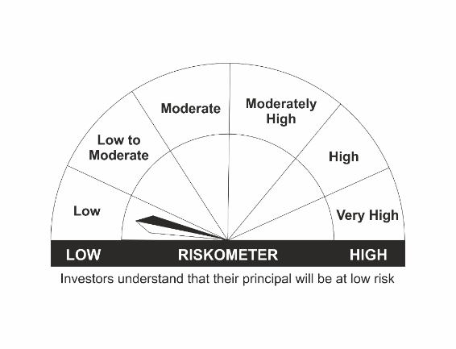
•Income over short term. |  | CRISIL Ultra Short Duration Fund BI Index
•Investment in Debt & Money Market Instruments such that the Macaulay Duration of the portfolio is between 3 months- 6 months.
•Risk – Low |  | •Risk - Moderate

*Investors should consult their financial advisers if in doubt about whether the product is suitable for them.
Mutual Fund investments are subject to market risks, read all scheme related documents carefully.

 | Potential Risk Class
LIC MF Ultra Short Term Fund | Credit Risk | Relatively Low (Class A) | Moderate (Class B) | Relatively High (Class C)
 | Interest Rate Risk
 | Relatively Low (Class I) |  | B-I
 | Moderate (Class II)
 | Relatively High (Class III)

LLIQDF
LIC MF LIQUID FUND |  |  |  |  |  |  | Index

Monthly Portfolio Statement as on April 30,2022
Name of the Instrument | ISIN | Industry / Rating | Quantity | Market/Fair Value (Rounded, Rs. In Lacs) | Rounded, % to Net Assets | Yield

Debt Instruments
(a)Listed / Awaiting listing on stock Exchanges
7.85% National Bk for Agriculture & Rural Dev. ** | INE261F08BJ3 | CRISIL AAA | 500.000 | 5,379.51 | 0.93% | 4.01%
Sub Total |  |  |  | 5,379.51 | 0.93%

(b)Privately Placed/Unlisted
Sub Total |  |  |  | NIL | NIL

(c)Securitised Debt Instruments
Sub Total |  |  |  | NIL | NIL

TOTAL |  |  |  | 5,379.51 | 0.93%

Money Market Instruments

Certificate of Deposit
HDFC Bank Ltd. ** # | INE040A16CQ8 | CARE A1+ | 7,000.000 | 34,912.57 | 6.07% | 3.97%
Indian Bank ** # | INE562A16KG5 | FITCH A1+ | 6,000.000 | 29,960.46 | 5.21% | 4.01%
Indian Bank ** # | INE562A16KE0 | FITCH A1+ | 5,000.000 | 24,915.35 | 4.33% | 4.00%
Bank of Baroda ** # | INE028A16CR1 | FITCH A1+ | 4,000.000 | 19,991.24 | 3.47% | 4.00%
Bank of Baroda ** # | INE028A16CN0 | FITCH A1+ | 4,000.000 | 19,980.30 | 3.47% | 4.00%
Canara Bank ** # | INE476A16SN7 | CRISIL A1+ | 2,000.000 | 9,990.15 | 1.74% | 4.00%
Axis Bank Ltd. ** # | INE238A161W0 | CRISIL A1+ | 10,000.000 | 9,986.87 | 1.74% | 4.00%
Axis Bank Ltd. ** # | INE238A162W8 | CRISIL A1+ | 7,500.000 | 7,491.79 | 1.30% | 4.00%
Indian Bank ** # | INE562A16KC4 | FITCH A1+ | 1,000.000 | 4,999.45 | 0.87% | 4.02%
Axis Bank Ltd. ** # | INE238A168X3 | CRISIL A1+ | 1,000.000 | 4,997.26 | 0.87% | 4.00%
Sub Total |  |  |  | 167,225.44 | 29.06%

Commercial Paper
Housing Development Finance Corp Ltd. ** | INE001A14YN6 | CARE A1+ | 10,000.000 | 49,586.75 | 8.62% | 4.23%
Birla Group Holdings Pvt Ltd. ** | INE09OL14AL8 | CRISIL A1+ | 4,500.000 | 22,246.67 | 3.87% | 4.67%
Kotak Securities Ltd. ** | INE028E14JR3 | ICRA A1+ | 4,000.000 | 19,948.30 | 3.47% | 4.30%
Bajaj Finance Ltd. ** | INE296A14SZ8 | CRISIL A1+ | 4,000.000 | 19,931.20 | 3.46% | 4.20%
National Bk for Agriculture & Rural Dev. ** | INE261F14IQ1 | CRISIL A1+ | 4,000.000 | 19,920.92 | 3.46% | 4.03%
NTPC Ltd. ** | INE733E14AS5 | FITCH A1+ | 2,500.000 | 12,498.63 | 2.17% | 4.03%
HDFC Securities Ltd. ** | INE700G14BP3 | CRISIL A1+ | 2,000.000 | 9,900.03 | 1.72% | 4.49%
Birla Group Holdings Pvt Ltd. ** | INE09OL14AM6 | CRISIL A1+ | 2,000.000 | 9,888.10 | 1.72% | 4.69%
TVS Credit Services Ltd. ** | INE729N14GM4 | CRISIL A1+ | 2,000.000 | 9,883.86 | 1.72% | 4.93%
Godrej Industries Ltd. ** | INE233A14UD4 | ICRA A1+ | 1,300.000 | 6,488.20 | 1.13% | 4.15%
L & T Finance Ltd. ** | INE027E14LM2 | CRISIL A1+ | 1,000.000 | 4,984.88 | 0.87% | 4.26%
Chennai Petroleum Corporation Ltd. ** | INE178A14HI7 | ICRA A1+ | 500.000 | 2,499.72 | 0.43% | 4.09%
Sub Total |  |  |  | 187,777.26 | 32.63%

Treasury Bill
91 DAYS TBILL RED 30-06-2022 | IN002021X595 | SOVEREIGN | 50,000,000.000 | 49,689.60 | 8.63% | 3.80%
91 DAYS TBILL RED 07-07-2022 | IN002022X015 | SOVEREIGN | 30,000,000.000 | 29,784.60 | 5.18% | 3.94%
364 DAYS TBILL RED 02-06-2022 | IN002021Z095 | SOVEREIGN | 7,500,000.000 | 7,475.75 | 1.30% | 3.70%
Sub Total |  |  |  | 86,949.95 | 15.11%

TOTAL |  |  |  | 441,952.65 | 76.80%

Treps / Reverse Repo
Treps |  |  |  | 127,828.18 | 22.21%
Sub Total |  |  |  | 127,828.18 | 22.21%

TOTAL |  |  |  | 127,828.18 | 22.21%
Net Receivables / (Payables) |  |  |  | 293.41 | 0.06%
GRAND TOTAL |  |  |  | 575,453.75 | 100.00%

# Unlisted Security
** Non Traded Security

LIC MF Arbitrage Fund has invested (inter scheme investments) in LIC MF Liquid Fund. Market value of such investments as on 30th April 2022 is 692.01 lacs.

The product is suitable for investors who are seeking* | Riskometer - Scheme | First Tier Benchmark | Riskometer - First Tier Benchmark
LIC MF Liquid Fund | 
•Income for short term |  | CRISIL Liquid Fund BI Index
•Investment in Debt/Money Market Instruments with maturity of upto 91 days.
•Risk – Low to Moderate |  | •Risk – Moderate

*Investors should consult their financial advisers if in doubt about whether the product is suitable for them.
Mutual Fund investments are subject to market risks, read all scheme related documents carefully.

 | Potential Risk Class
LIC MF Liquid Fund | Credit Risk | Relatively Low (Class A) | Moderate (Class B) | Relatively High (Class C)
 | Interest Rate Risk
 | Relatively Low (Class I) |  | B-I
 | Moderate (Class II)
 | Relatively High (Class III)

